Prod
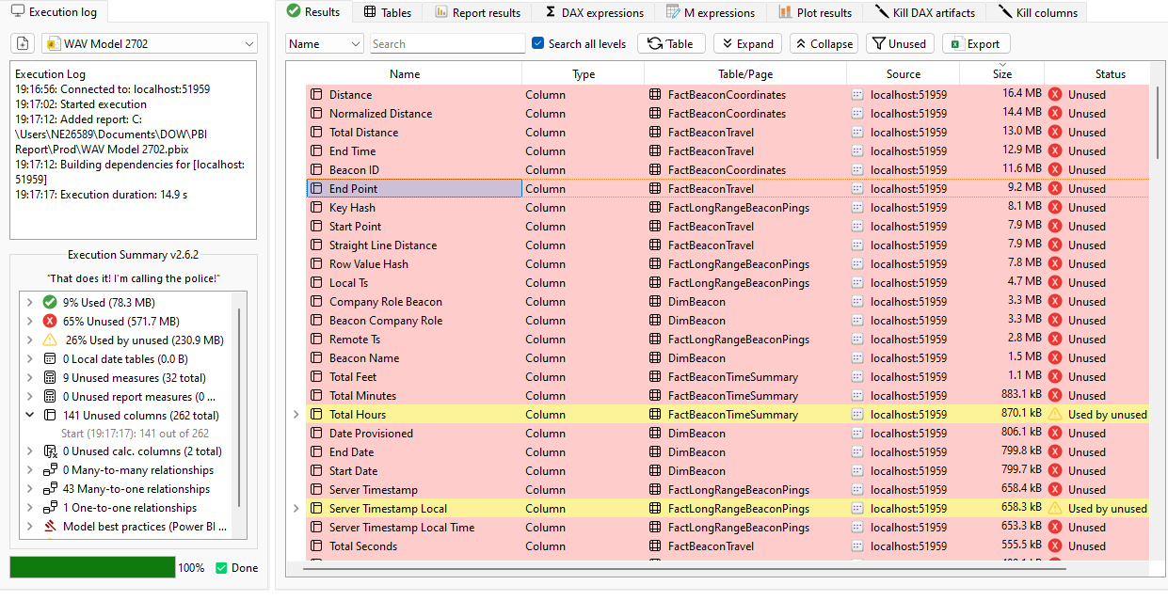

Page Load
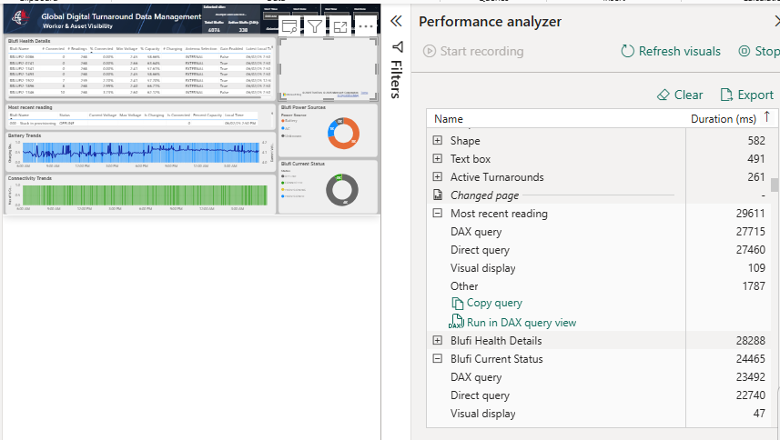
Page | Visual | Table | Column | Visual Load time (1st Try) | Visual Load time (2nd Try) | Visual Load time (3rd Try)
Blufi Health | Most Recent reading | DimBlufi | Blufi Name | 29 secs | 20secs | 21secs
 |  | DimBlufi | Status | 28secs | 20secs | 21secs
 |  | FactBlufiHealth | Current Voltage | 24secs | 19secs | 17secs
 |  | FactBlufiHealth | Max Voltage
 |  | FactBlufiHealth | Is Charging
 |  | FactBlufiHealth | Is Connected
 |  | FactBlufiHealth | Percent Capacity
 |  | FactBlufiHealth | Local Time
 | Blufi Healt Details | DimBlufi | Blufi Name
 |  | DimBlufi | Antenna Selection
 |  | DimBlufi | Gain Enabled
 |  | FactBlufiHealth | Connected Readings
 |  | FactBlufiHealth | Percent Capacity
 |  | FactBlufiHealth | Current Voltage
 |  | FactBlufiHealth | Local Time
 |  | DimBlufi | Power Source
 |  | FactBlufiHealth | Blufi Count
 |  | DimBlufi | Blufi Site Name
 |  | DimBlufi | Latitude
 |  | DimBlufi | Longitude

